bug report
Id | Summury | Descriptoin | Severity | Priority | Attachments | Additional info
L 1 | Emergency stop application in "Ener invoice info" when values are not entered. | 1. Open the application shipping orders calculator 2. Open the menu in the top left corner, click New shipping calculator 3. Click Calculate Actual Result: Application stopped, main phone screen opened Expected Result: "Fill in all fields" message output. The application is stable | Сritical | Hight
L 2 | The value of Shipingcost equals 100$ in "Enter invoice info" without entered values. | 1. Open shipping orders calculator application 2. Open the menu in the top left corner, click New shipping calculator 3. Leave all fields empty 4. At the bottom find Shipping cost Actual Result: Shipping cost equals 100$ Expected Result: Shipping cost equals 0$ | Major | Normal | 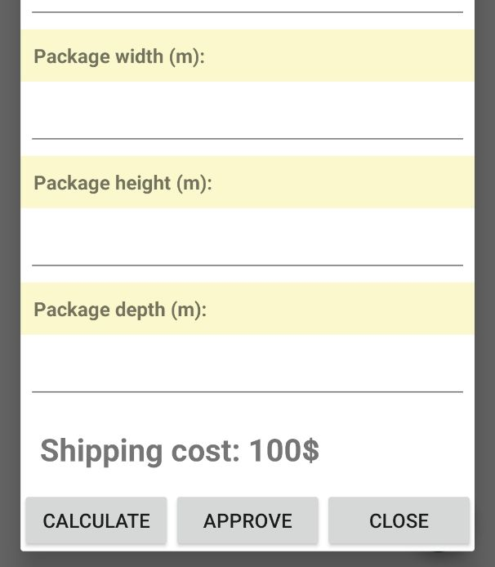
L 3 | Pop-up box "Invalid packkage parametr" on the main screen of the device when the application is closed. | 1. Open the shipping orders calculator application 2. Open the menu in the top left corner, click New shipping calculator 3. Click on any radio button on the Transport menu 4. In the Package weigh field, enter the value "5" 5. Click Calculate 6. Hiding the app Actual Result: The main screen of the device displays a message ""Invalid packkage parametr"". Expected Result: Displays the main screen of the device. Everything is stable. | Major | Normal
L 4 | Order with weight above 99.9 kg. | 1. Open shipping orders calculator application 2. Open the menu in the top left corner, click New shipping calculator 3. Click on any radio button in Transport, Shippinpaid,Package trasition 4. Enter value "Ivan" in Sender name 6 Enter value "505" in Sender phone 7. Enter value "q@mail.ru" in Sender email 8. Enter value "Minsk" in Sender adress 9. Enter value "Belarus" in Sender country 10. Enter value "Igor" in Receiver name 11. Enter value "500" in Receiver phone 12. Enter value "w@mail.ru" in Receiver email 13. Enter value "Mocow" in Receiver adress 14. value "Russia" in Receiver country 15" In package width fields, enter the value "100" 16" In Fields package height, package length,package depth enter the value "0.1" 17. Click Approve Actual Result: : The order is saved with the value of the package weight "100 kg". Expected Result: Output message "Delivery of cargo above 99.9kgis being implemented" | Major | Hight |  | Company does not deliver more than 99 kg
L 5 | Order saved in "Current shipping orders® without content required. | 1. Open shipping orders calculator application 2. Open the menu in the top left corner, click New shipping calculator 3. Click on any radio button in Transport, Shippinpaid,Package trasition 4. Enter value "Ivan" in Sender name 6 Enter value "505" in Sender phone 7. Enter value "q@mail.ru" in Sender email 8. Enter value "Minsk" in Sender adress 9. Sender country has no values 10. Enter value "Igor" in Receiver name 11. Enter value "500" in Receiver phone 12. Enter value "w@mail.ru" in Receiver email 13. Enter value "Mocow" in Receiver adress 14. value "Russia" in Receiver country 15" In package width fields, enter the value "3" 16" In Fields package height, package length,package depth enter the value "0.3" 17. Click Approve Actual Result: : Order saved Expected Result: Output of the message "Fill All Fields" | Major | Hight |  | Each order must contain the following information: the countries of the sender and the receiver , size, weight, contact details of the sender and the receiver, type of transport , direction of import/export (import, export, regional departure), who pays for the shipment, as well as the estimated cost of shipping
L 6 | The "package depth" field in Ener invoice info allows input of text values. | 1.Open shipping orders calculator application 2. Open the menu in the top left corner, click New shipping calculator 3. Click on package depth 4. Enter text Actual Result: Allow input of text values Expected Result: Allow input of numeric values only | Minor | Normal
L 7 | The "package width" field in Ener invoice info has the recipient data group red. | 1. Open shipping orders calculator application 2. Open the menu in the top left corner, click New shipping calculator 3. Find package width Actual Result: The package width field has the recipient’s data group red. Expected Result: The package width field has the yellow color of the physical group. product characteristics. | Trivial | Low

